Dealer Price List
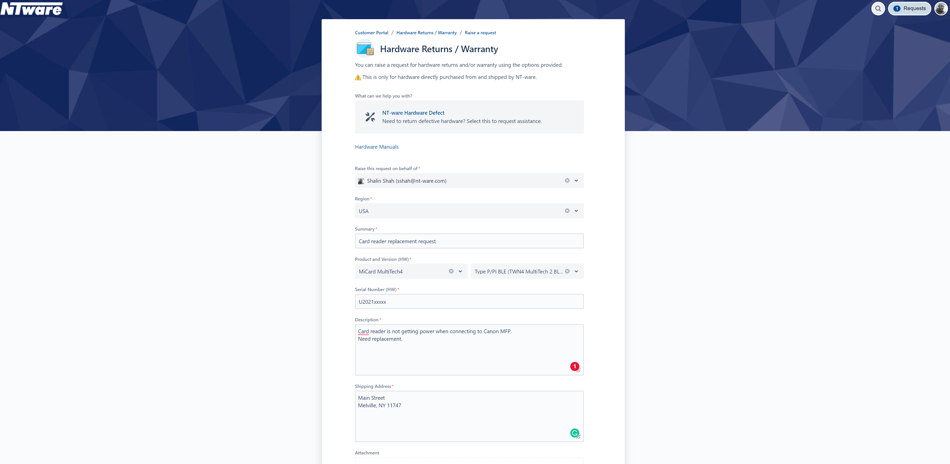
Canon |  | Dealer Price List
uniFLOW Device-Based Subscription |  | Version 2 Effective Date: July 1, 2024

Terms & Conditions

Terms:
• Net 30 days for all uniFLOW Subscription products.

Conditions:
• All orders for uniFLOW Subscription Licenses must be placed through the Canon Business Services Platform.
• All orders of uniFLOW Hardware, Accessories, and uniFLOW Professional Services must be placed through C.N.A.
• All orders are subject to credit approval.
• Prices are F.O.B. from the nearest Canon warehouse, where the products ordered are then available.
• Prices are subject to change pursuant to your applicable Canon U.S.A., Inc. Dealer Agreement.
• All uniFLOW Subscription orders will be shipped electronically, via Email, except for Hardware and Accessory items.
• All uniFLOW Subscription orders must include the following label information to ensure accurate and timely delivery:
 | • uniFLOW Online Tenant Serial Number | • Customer Name
 | • Tenant Domain | • Number of Device Licenses
 | • Tenant Administrator Email Address | • Subscription Term (in Months)
• Please Activate the trial license aligned or less to the actual order. If the trial license is greater than the actual
order, the order will be failed.
• Dealers CAN NOT get On premise Support on hybrid situation unless getting certified.
(It is possible to place an order without On premise certification, but needs to be certified for the support)

Note: Inputting label information is required on ALL items ordered.

<*> uniFLOW Online Subscription service billing is based on calendar month. The end date of the service will always fall on the last day
of the month. For example, if a PO is placed on Jan 15th for a 1 year subscription, the end date of the service will be Dec 31st ,not Jan
14th of the next year. In this example the 1st month of service is calculated from Jan 15th to Jan 31st. If additional licenses are ordered
on May 20th, 8 months of subscription have to be purchased for it to be co-terminus. This is because the first month of additional
licenses is calculated from May 20th to May 30th and the end date of the subscription is Dec 31st.

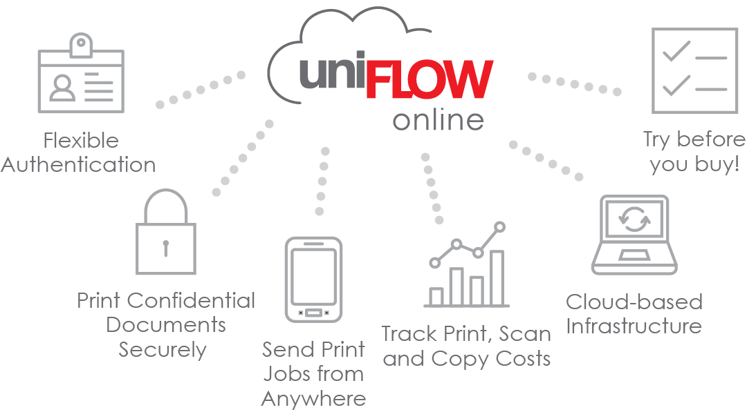
 | THIS CANON U.S.A., INC. DEALER PRICE LIST IS CONFIDENTIAL
 | AND FOR AUTHORIZED CANON DEALERS' USE ONLY.

Revision History
Version 2: Effective Date: July 1, 2024
1) Dealer Price and MSRP increased on all highlighted items (page 6,7,9)
2) NEW - Item 3575BA80AA, uniFLOW Online Tenant Feature Set Upgrade Point, added (page 7)
3) NEW - Footnote <25> added under uniFLOW Online Tenant Feature Set Upgrade and Footnotes & Descriptions (7,10)
4) NEW- Item 3575BA82AA, MiCard PLUS C, added (page 8)
5) NEW - Item 3575BA76AA, MiCard MultiTech4-NT-P BLE, added (page 8)
6) NEW - Item 3575BA77AA, MiCard MultiTech4-NT-PI BLE, added (page 8)
7) Item 3575B504AA, MiCard PLUS SC, discontinued and removed
8) Item 3575B849AA, MiCard MultiTech4-Pi BLE, discontinued and removed
9) The picture of the card reader was removed from under MiCard PLUS C Supported Card Types (page 14)

Version 1: Effective Date: April 1, 2024
1) Item 4181C010AA, Canon End Customer Support for uniFLOW Online & Hybrid Subscriptions, discontinued and removed
2) Footnote <22>, under Professional Services & Footnotes & Descriptions, removed. Remaining footnotes renumbered

Previous Changes: Effective Date: November 28, 2023
1) Dealer Price $227→$213 and MSRP $303→$291 changed for MiCard PLUS Ci

Price List Index |  |  |  | Page
How To Order uniFLOW Subscription |  |  |  | 4
Device-Based Subscription Structure |  |  |  | 5
uniFLOW Subscription (Device Based) |  |  |  | 6,7
uniFLOW Online Tenant Feature Set Upgrade |  |  |  | 7
uniFLOW Hardware |  |  |  | 8
uniFLOW Hardware Accessories |  |  |  | 8
Professional Services |  |  |  | 9
Footnotes & Descriptions |  |  |  | 10
Features by Subscription Types |  |  |  | 11
MiCard PLUS Supported Card Types |  |  |  | 14
MiCard MultiTech 4 Support Card Types |  |  |  | 15
Opening a MOMPS # |  |  |  | 16
Opening a MINDR Ticket |  |  |  | 17

How To Order uniFLOW Subscription:

Step One:
Online Tenant Provision: For any new account, a uniFLOW Online Customer Tenant must be created on the
uniFLOW Online Portal (URL Link is emailed to the Tenant Admin). If a Customer already has a uniFLOW Online
Tenant, then skip this Step.

Step Two:
Visit the Canon Business Services Platform: Place an order for the number of Device Licenses with the Customer
Tenant Serial Number on the Canon Business Services Platform.

Step Three:
Monthly Subscription (New & Renewals): Select the appropriate quantity of Device Licenses and the term
First Time Order: Be sure to provide the correct Customer Tenant Serial Number when ordering the Device Licenses
(Monthly).
Renewals: Extend the End Date of the subscription by purchasing the same quantity of Licenses (Monthly).

Step Four:
Professional Services: If required, select the Canon U.S.A. Professional Services indicated in the Statement of Work.

Step Five:
Mid-Term, Coterminous Add-ons: For use only when a Customer has a subscription in place and wishes to add
additional devices. Monthly add-ons are ONLY to be ordered for existing Customers in the middle of their active
subscription term, and the quantity of months to order is determined by the number of months remaining in the
Customer's monthly subscription term. The month in which the coterminous item is ordered is counted as a full month,
regardless of which day in the month the order is placed. We recommend coterminous orders be placed at the
start of the month.

For Example: 4 months into their 1-year subscription, a Customer wants to add more Device Licenses. In this
example, if the coterminous order is placed early in the 5th month, it would need to be for a quantity of 8 months
(multiplied by # of devices added) to be coterminous with the expiration date of the Customer's current, monthly subscription.

Step Six:
Universal Login Manager (ULM) Is Required: Third Generation imageRUNNER ADVANCE or later systems come
standard with ULM. For First and Second Generation imageRUNNER ADVANCE systems, Customers are required to install
ULM free of charge

Step Seven:
Card Readers & Hardware Accessories: Optional MiCard Readers and hardware accessories can be purchased
separately through C.N.A.

Device-Based Subscription Structure

Device-Based subscriptions will be available in two versions: Print & Scan / Image Processing
Each of subscription includes price bands by device type: Type 1 / Type 2

uniFLOW Subscription (Device-Based)
uniFLOW Print & Scan Subscription for Type 1 - Device-Month Licenses
<Type 1: for imageRUNNER ADVANCE models>
Item Code | Description |  | Dealer Price | MSRP
3575B792AA | Print & Scan, Type 1, 1-9 devices <1><2><3> |  | $25.67 | $36.68
3575B806AA | Print & Scan, Type 1, 10-24 devices<1><2><3> |  | $14.94 | $21.35
3575B807AA | Print & Scan, Type 1, 25-49 devices<1><2><3> |  | $11.20 | $16.00
3575B808AA | Print & Scan, Type 1, 50-74 devices<1><2><3> |  | $10.08 | $14.40
3575B809AA | Print & Scan, Type 1, 75-99 devices<1><2><3> |  | $8.96 | $12.80
3575B810AA | Print & Scan, Type 1, 100-149 devices<1><2><3> |  | $8.22 | $11.75
3575B811AA | Print & Scan, Type 1, 150-199 devices<1><2><3> |  | $7.84 | $11.20
3575B812AA | Print & Scan, Type 1, 200-249 devices<1><2><3> |  | $7.47 | $10.68
3575B813AA | Print & Scan, Type 1, 250-499 devices<1><2><3> |  | $7.10 | $10.15
3575B814AA | Print & Scan, Type 1, 500+ devices<1><2><3> |  | $6.72 | $9.60
<1> uniFLOW Print & Scan is sold as an monthly subscription. The licenses are sold per device / per month
<2>When ordering uniFLOW device based subscription in Canon Business Services Platform, please specify number of type 1 devices for each tenant. The $0
item code "3575B844AA" will be used in Canon Business Services Platform.
<3> Tier pricing is based on the total number of devices purchased for uniFLOW Print & Scan Type 1 devices, existing subscription plus new order, but not the number
of device licenses for Type 2 or Image Processing Subscription. Canon Business Services Platform will apply the item code and tier price accordingly.

uniFLOW Print & Scan Subscription for Type 2- Device-Month Licenses
<Type 2: for imageRUNNER, imageCLASS, Multi-vendor devices, Devices with Release Station>
Item Code | Description |  | Dealer Price | MSRP
3575B831AA | Print & Scan, Type 2, 1-9 devices<1><4><5> |  | $13.07 | $18.68
3575B832AA | Print & Scan, Type 2, 10-24 devices<1><4><5> |  | $9.80 | $14.00
3575B833AA | Print & Scan, Type 2, 25-49 devices<1><4><5> |  | $7.65 | $10.93
3575B834AA | Print & Scan, Type 2, 50-74 devices<1><4><5> |  | $6.88 | $9.83
3575B835AA | Print & Scan, Type 2, 75-99 devices<1><4><5> |  | $6.19 | $8.85
3575B836AA | Print & Scan, Type 2, 100-149 devices<1><4><5> |  | $5.58 | $7.98
3575B837AA | Print & Scan, Type 2, 150-199 devices<1><4><5> |  | $5.02 | $7.18
3575B838AA | Print & Scan, Type 2, 200-249 devices<1><4><5> |  | $4.77 | $6.82
3575B839AA | Print & Scan, Type 2, 250-499 devices<1><4><5> |  | $4.54 | $6.49
3575B840AA | Print & Scan, Type 2, 500+ devices<1><4><5> |  | $4.30 | $6.15
<1> uniFLOW Print & Scan is sold as an monthly subscription. The licenses are sold per device / per month
<4>When ordering uniFLOW device based subscription in Canon Business Services Platform, please specify number of type 2 devices for each tenant. The $0 item
code "3575B845AA" will be used in Canon Business Services Platform.
<5> Tier pricing is based on the total number of devices purchased for uniFLOW Print & Scan Type 2 devices, existing subscription plus new order, but not the number
of device licenses for Type 1 or Image Processing Subscription. Canon Business Services Platform will apply the item code and tier price accordingly.

uniFLOW Cloud Link Subscription for Type 3 - User-Month Licenses
<Type 3: for MAXIFY GX7020X model>
Item Code | Description |  | Dealer Price | MSRP
3575BA26AA | Cloud Link Print Connection Named License <22><23><24> |  | $1.19 | $1.70
<22> uniFLOW Cloud Link Print Connection is sold as an monthly subscription. The licenses are sold per user / per month
<23>When ordering uniFLOW Cloud Link Print Connection subscription in Canon Business Services Platform, please specify number of type 3 devices for each tenant.
The $0 item code "3575BA25AA" will be used in Canon Business Services Platform.
<24> Cloud Link Print Connection requires customers to purchase minimum 1 CPS or CIP license in its uniFLOW Online Tenant.

uniFLOW Subscription (Device-Based) (continued)
uniFLOW Image Processing for Type 1(for iR ADV models)- Device-Month Licenses
<Type 1: for imageRUNNER ADVANCE models>
Item Code | Description |  | Dealer Price | MSRP
3575B818AA | Image Processing, Type 1, 1-9 devices<6><7><8> |  | $28.24 | $40.35
3575B819AA | Image Processing, Type 1, 10-24 devices<6><7><8> |  | $16.43 | $23.48
3575B820AA | Image Processing, Type 1, 25-49 devices<6><7><8> |  | $12.32 | $17.60
3575B821AA | Image Processing, Type 1, 50-74 devices<6><7><8> |  | $11.10 | $15.86
3575B822AA | Image Processing, Type 1, 75-99 devices<6><7><8> |  | $9.86 | $14.09
3575B823AA | Image Processing, Type 1, 100-149 devices<6><7><8> |  | $9.04 | $12.92
3575B824AA | Image Processing, Type 1, 150-199 devices<6><7><8> |  | $8.64 | $12.35
3575B825AA | Image Processing, Type 1, 200-249 devices<6><7><8> |  | $8.22 | $11.75
3575B826AA | Image Processing, Type 1, 250-499 devices<6><7><8> |  | $7.82 | $11.18
3575B827AA | Image Processing, Type 1, 500+ devices<6><7><8> |  | $7.40 | $10.58
<6> uniFLOW Image Processing is sold as an monthly subscription. The licenses are sold per device / per month
<7>When ordering uniFLOW device based subscription in Canon Business Services Platform, please specify number of type 1 devices for each tenant. The $0 item
code "3575B846AA" will be used in Canon Business Services Platform.
<8> Tier pricing is based on the total number of devices purchased for uniFLOW Image Processing Type 1 devices, existing subscription plus new order, but not the
number of device licenses for Type 2 or Print & Scan Subscription. Canon Business Services Platform will apply the item code and tier price accordingly.

uniFLOW Image Processing Subscription for Type 2- Device-Month Licenses
<Type 2: for imageRUNNER, imageCLASS, Multi-vendor devices, Devices with Release Station>
Item Code | Description |  | Dealer Price | MSRP
3575B793AA | Image Processing, Type 2, 1-9 devices<6><9><10> |  | $14.13 | $20.19
3575B794AA | Image Processing, Type 2, 10-24 devices<6><9><10> |  | $8.22 | $11.75
3575B795AA | Image Processing, Type 2, 25-49 devices<6><9><10> |  | $6.17 | $8.82
3575B796AA | Image Processing, Type 2, 50-74 devices<6><9><10> |  | $5.55 | $7.93
3575B797AA | Image Processing, Type 2, 75-99 devices<6><9><10> |  | $4.93 | $7.05
3575B798AA | Image Processing, Type 2, 100-149 devices<6><9><10> |  | $4.53 | $6.48
3575B799AA | Image Processing, Type 2, 150-199 devices<6><9><10> |  | $4.32 | $6.18
3575B800AA | Image Processing, Type 2, 200-249 devices<6><9><10> |  | $4.11 | $5.88
3575B801AA | Image Processing, Type 2, 250-499 devices<6><9><10> |  | $3.90 | $5.58
3575B802AA | Image Processing, Type 2, 500+ devices<6><9><10> |  | $3.71 | $5.30
<6> uniFLOW Image Processing is sold as an monthly subscription. The licenses are sold per device / per month
<9>When ordering uniFLOW device based subscription in Canon Business Services Platform, please specify number of type 1 devices for each tenant. The $0 item
code "3575B847AA" will be used in Canon Business Services Platform.
<10> Tier pricing is based on the total number of devices purchased for uniFLOW Image Processing Type 2 devices, existing subscription plus new order, but not the
number of device licenses for Type 1 or Print & Scan Subscription. Canon Business Services Platform will apply the item code and tier price accordingly.

uniFLOW Online Tenant Feature Set Upgrade
Item Code | Description |  | Dealer Price | MSRP
3575BA80AA | uniFLOW Online Tenant Feature Set Upgrade Point <25> |  | $1.00 | $1.50
<25> The total number of Upgrade Points is calculated based on the number of device licenses, type of services, remaining months, and the delta between current price and last billed. Once ordered in the CBSP System, the latest feature set will appear within the customer's tenant.

uniFLOW Hardware
MiCard PLUS - Supports 35 different card frequencies
Item Code | Description |  | Dealer Price | MSRP
3575BA82AA | MiCard PLUS C<11><12> |  | $181 | $249
3575BA60AA | MiCard PLUS Ci <11><12><13> |  | $213 | $291
3575BA61AA | MiCard PLUS BLE |  | $287 | $383
<11> Prices are stated per single unit.
<12> MiCard PLUS supports 35 different card frequencies. For more information, please visit the ISG Marketing website. Also, please see back page.
<13> The MiCard PLUS Ci additionally supports the HID iCLASS® ID and the HID iCLASS® SE/SR ID.

MiCard v3 Multi - Supports Legic, MIFARE, Felica, iCLASS, ISO 14443A/B, ISG 15693,
and NearField Communication (NFC) card frequencies
Item Code | Description |  | Dealer Price | MSRP
3575B956AA | MiCard v3 Multi <11> |  | $117 | $155
<11> Prices are stated per single unit.

MiCard MultiTech4 - Supports 50+ different card technologies from the 125/134 kHz and the 13.56 MHz frequency range
Item Code | Description |  | Dealer Price | MSRP
3575BA62AA | MiCard MultiTech4-NT-P <#><11><19> |  | $170 | $227
3575BA63AA | MiCard MultiTech4-NT-PI <#><11><20> |  | $227 | $303
3575BA64AA | MiCard MultiTech4-NT-P LEGIC <#><11> |  | $258 | $344
3575BA76AA | MiCard MultiTech4-NT-P BLE <#><11><19><20> |  | $250 | $335
3575BA77AA | MiCard MultiTech4-NT-PI BLE <#><11><19><20> |  | $295 | $395
<11> Prices are stated per single unit.
<19>MiCard MultiTech4-NT-P supports 50+ different card frequencies. For more information, please visit the Partner Portal website. Also, please see back page.
<20> The MiCard MultiTech4-NT-PI additionally supports the HID iCLASS® ID and Elite technology (including Seos®)

MiCard Magnetic Card Reader
Item Code | Description |  | Dealer Price | MSRP
3575B052AA | MiCard Magnetic Card Reader - 1-9 Readers <11> |  | $127 | $172
<11> Prices are stated per single unit.

uniFLOW Hardware Accessories
Cards
Item Code | Description |  | Dealer Price | MSRP
3575B078AA | MIFARE Card - 10 Pack |  | $66 | $92
3575B077AA | Legic Card - 10 Pack |  | $108 | $151
3575B204AA | Magnetic Card - 10 Pack |  | $25 | $33
3575B203AA | HID Card - 10 Pack |  | $119 | $162

Cables
Item Code | Description |  | Dealer Price | MSRP
3575B508AA | USB Extension Cable for MiCard Readers (140cm/55inches) |  | $9.00 | $12.00

Professional Services
Canon U.S.A. Professional Services (ESSD and CIIS)
Item Code | Description |  | Dealer Price | MSRP
3340B004AA | Canon Professional Service for uniFLOW <14><15><16> |  | $1,500 | $3,000
3575B697AA | Professional Service Package for uniFLOW Online <14><15><17> |  | $995 | $1,990
<14> Professional Service Packages DO NOT include the uniFLOW Online subscription nor on-going customer support.
<15> A custom Canon-developed Statement-of-Work document will be developed to detail the extent of services included for each Professional Services engagement.
<16> The Statement-of-Work will disclose the number of units of Professional Services to order for a particular engagement.
<17>Canon Professional Services Package by ESSD provides Remote Installation of uniFLOW Online, for one (1) customer tenant, and Remote Configuration for a
maximum of fifteen (15) . Canon MEAP devices, five (5) Non-Canon MFD's and Networked Single Function Printers and administrative training for up to four (4) hours.

NT-Ware Professional Services
Item Code | Description |  | Dealer Price | MSRP
3575B038AA | NT-Ware Remote Installation Assistance Service (RIAS) - 1 Unit<18> |  | $950 | $1,900
<18> NT-Ware remote support and/or installation services.

Footnotes & Descriptions
<*> uniFLOW Online Subscription service billing is based on calendar month. The end date of the service will always fall on the last day
of the month. For example, if a PO is placed on Jan 15th for a 1 year subscription, the end date of the service will be Dec 31st ,not Jan
14th of the next year. In this example the 1st month of service is calculated from Jan 15th to Jan 31st. If additional licenses are ordered
on May 20th, 8 months of subscription have to be purchased for it to be co-terminus. This is because the first month of additional
licenses is calculated from May 20th to May 30th and the end date of the subscription is Dec 31st.
<1> uniFLOW Print & Scan is sold as an monthly subscription. The licenses are sold per device / per month
<2>When ordering uniFLOW device based subscription in Canon Business Services Platform, please specify number of type 1 devices for each tenant. The $0
item code "3575B844AA" will be used in Canon Business Services Platform.
<3> Tier pricing is based on the total number of devices purchased for uniFLOW Print & Scan Type 1 devices, existing subscription plus new order, but not the number
of device licenses for Type 2 or Image Processing Subscription. Canon Business Services Platform will apply the item code and tier price accordingly.
<4>When ordering uniFLOW device based subscription in Canon Business Services Platform, please specify number of type 2 devices for each tenant. The $0 item
code "3575B845AA" will be used in Canon Business Services Platform.
<5> Tier pricing is based on the total number of devices purchased for uniFLOW Print & Scan Type 2 devices, existing subscription plus new order, but not the number
of device licenses for Type 1 or Image Processing Subscription. Canon Business Services Platform will apply the item code and tier price accordingly.
<6> uniFLOW Image Processing is sold as an monthly subscription. The licenses are sold per device / per month
<7>When ordering uniFLOW device based subscription in Canon Business Services Platform, please specify number of type 1 devices for each tenant. The $0 item
code "3575B846AA" will be used in Canon Business Services Platform.
<8> Tier pricing is based on the total number of devices purchased for uniFLOW Image Processing Type 1 devices, existing subscription plus new order, but not the
number of device licenses for Type 2 or Print & Scan Subscription. Canon Business Services Platform will apply the item code and tier price accordingly.
<9>When ordering uniFLOW device based subscription in Canon Business Services Platform, please specify number of type 1 devices for each tenant. The $0 item
code "3575B847AA" will be used in Canon Business Services Platform.
<10> Tier pricing is based on the total number of devices purchased for uniFLOW Image Processing Type 2 devices, existing subscription plus new order, but not the
number of device licenses for Type 1 or Print & Scan Subscription. Canon Business Services Platform will apply the item code and tier price accordingly.
<11> Prices are stated per single unit.
<12> MiCard PLUS supports 35 different card frequencies. For more information, please visit the ISG Marketing website. Also, please see back page.
<13> The MiCard PLUS Ci additionally supports the HID iCLASS® ID and the HID iCLASS® SE/SR ID.
<14> Professional Service Packages DO NOT include the uniFLOW Online subscription nor on-going customer support.
<15> A custom Canon-developed Statement-of-Work document will be developed to detail the extent of services included for each Professional Services engagement.
<16> The Statement-of-Work will disclose the number of units of Professional Services to order for a particular engagement.
<17>Canon Professional Services Package by ESSD provides Remote Installation of uniFLOW Online, for one (1) customer tenant, and Remote Configuration for a
maximum of fifteen (15) . Canon MEAP devices, five (5) Non-Canon MFD's and Networked Single Function Printers and administrative training for up to four (4) hours.
<18> NT-Ware remote support and/or installation services.
<19>MiCard MultiTech4-NT-P supports 50+ different card frequencies. For more information, please visit the Partner Portal website. Also, please see back page.
<20> The MiCard MultiTech4-NT-PI additionally supports the HID iCLASS® ID and Elite technology (including Seos®)
<21> The MiCard MultiTech4-P BLE card reader includes Bluetooth® Low Energy technology which enables users to identify at a device by using their smartphone.
<22> uniFLOW Cloud Link Print Connection is sold as an monthly subscription. The licenses are sold per user / per month
<23>When ordering uniFLOW Cloud Link Print Connection subscription in Canon Business Services Platform, please specify number of type 3 devices for each tenant.
The $0 item code "3575BA25AA" will be used in Canon Business Services Platform.
<24> Cloud Link Print Connection requires customers to purchase minimum 1 CPS or CIP license in its uniFLOW Online Tenant.
<25> The total number of Upgrade Points is calculated based on the number of device licenses, type of Services, remaining months, and the delta between
current price and last billed. Once ordered in CBSP System, the latest feature set will appear in customer's tenant.

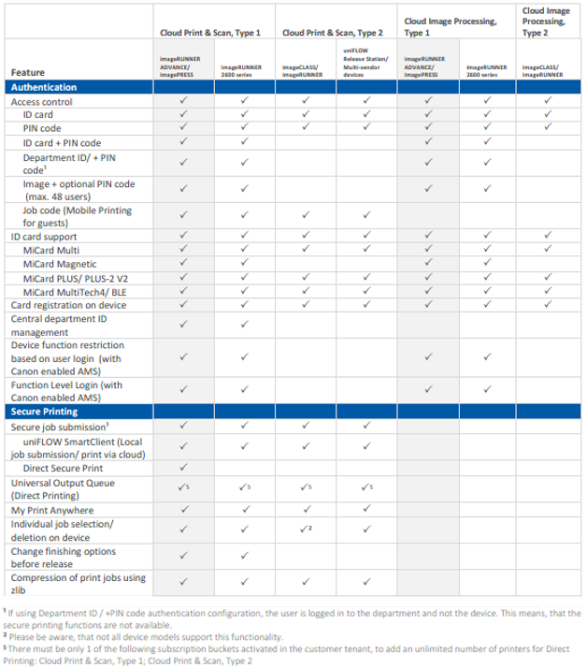
Features by Subscription Types

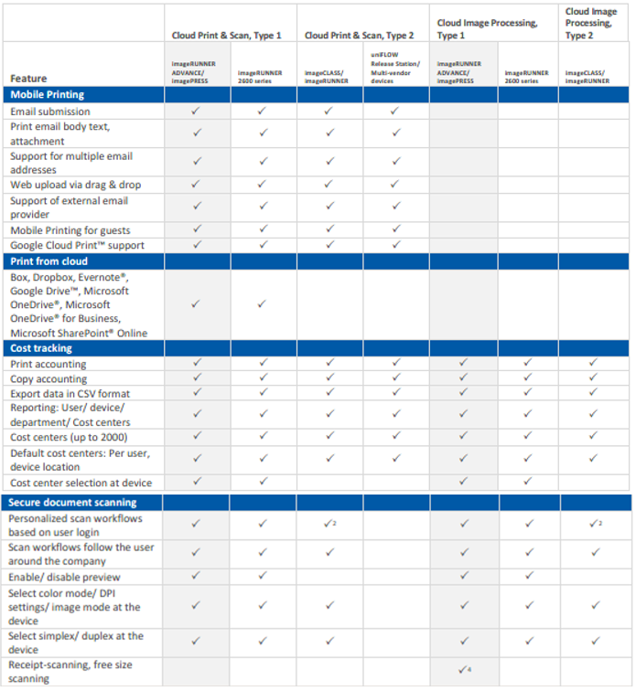

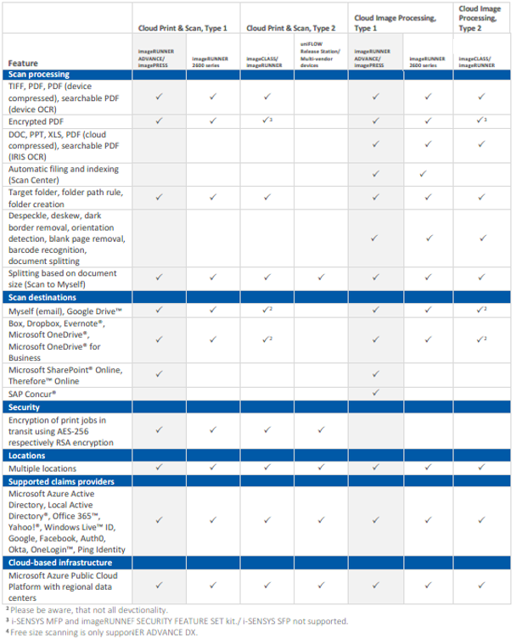

MiCard PLUS Supported Card Types
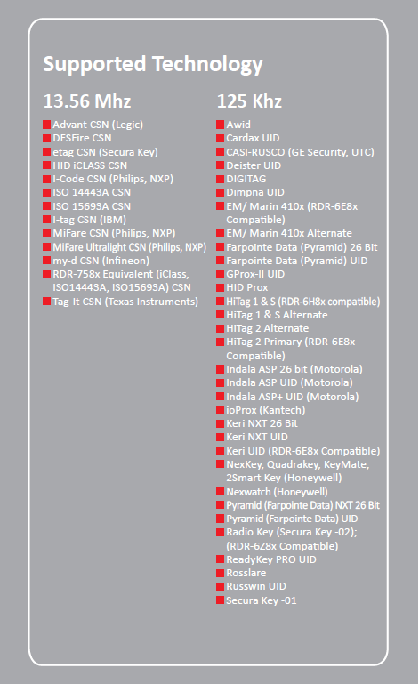

MiCard MultiTech4 Supported Card Types
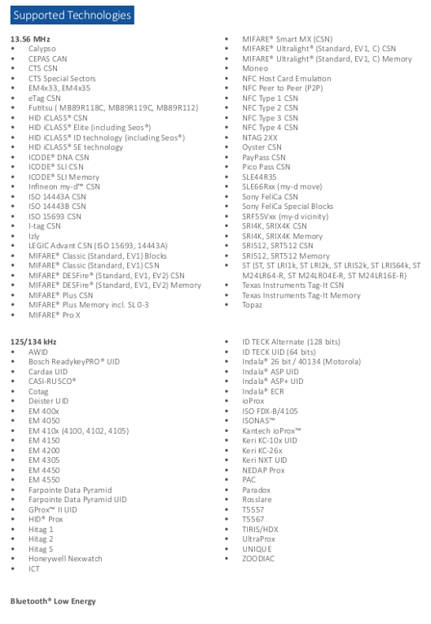

Opening a PS #

A PS # is required when placing an order for a Copy Control Cable for Multi-Vendor Devices, RIAS, Customization Units,
Upgrades, and the uniFLOW Release Station Exchange Program.

A PS # can only be opened by a uniFLOW Certified Technician.

To open a PS #, please visit the NT-Ware website: https://ntware.atlassian.net/servicedesk/customer/portals
When the Create Issue screen pops up, please fill in as much detail as possible, and click Create.
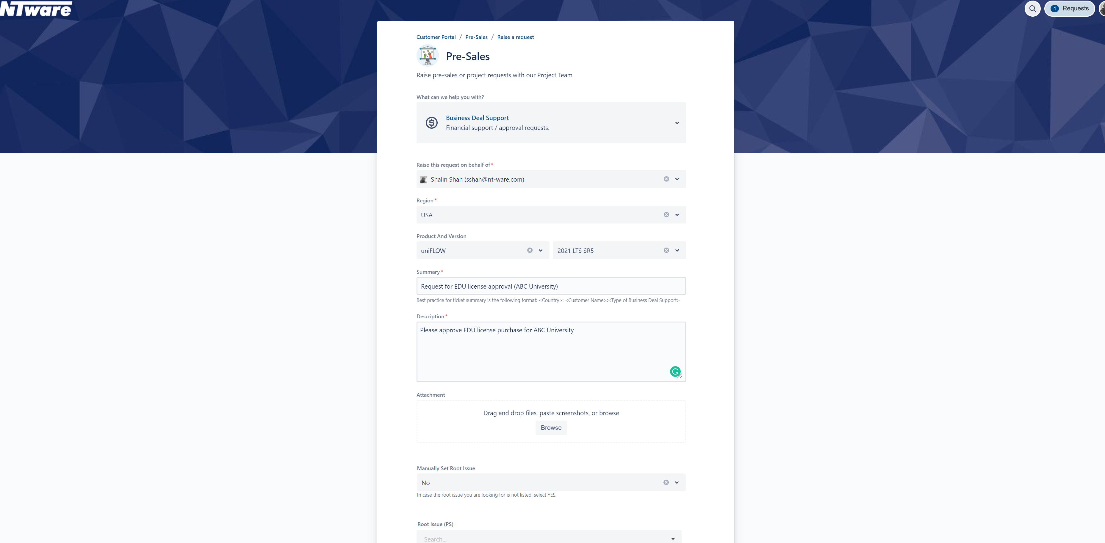

Opening a RMA Ticket

A RMA Ticket is required for replacement of any defective NT-Ware Hardware, such as a MI Card reader, a micro MIND, or a uniFLOW
Release Station. Of course, the Hardware must be under warranty. Please check the NT-Ware Hardware Warranty Guide located on
the ISG Marketing website for more information.

A RMA Ticket can only be opened by a uniFLOW Certified Technician.

To open a RMA Ticket, please visit the NT-Ware website: https://ntware.atlassian.net/servicedesk/customer/portals
When the Create Issue screen pops up, please fill in as much detail as possible, and click Create.

